Problem 2
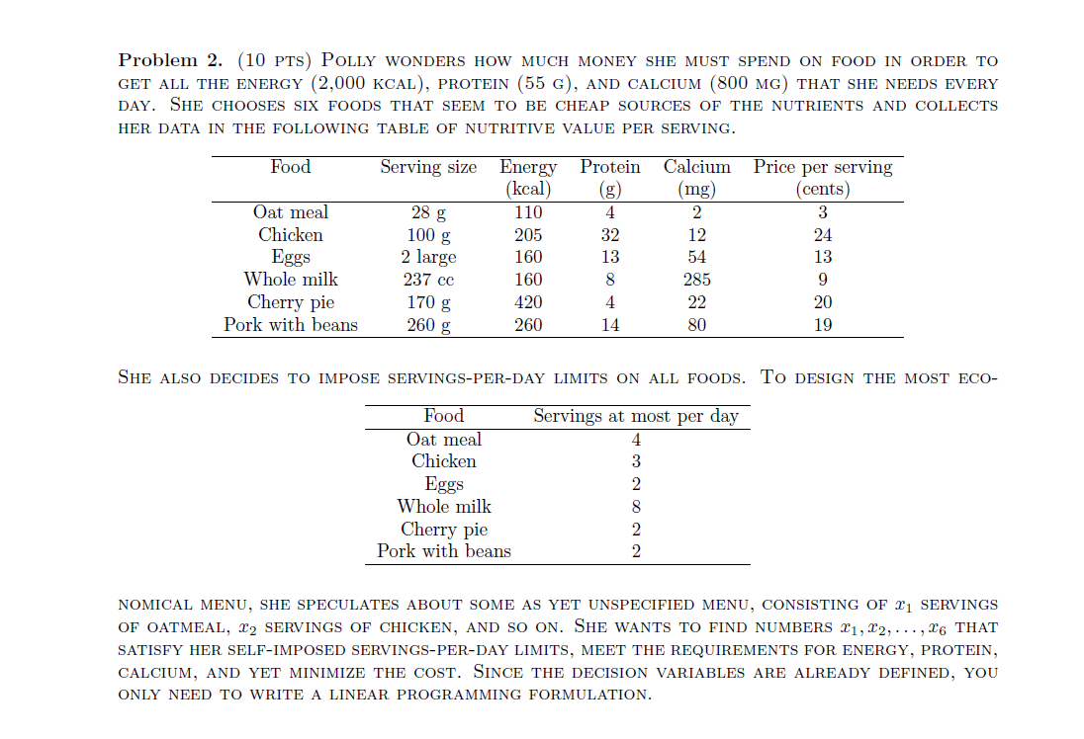
Food | Serving size | Energy | Protein | Calcium | Price per serving |  |  | Food | Serving limit
Oat meal | 28 | 110 | 4 | 2 | 3 |  |  | Oat meal | 4
Chicken | 100 | 205 | 32 | 12 | 24 |  |  | Chicken | 3
Eggs | 2 | 160 | 13 | 54 | 13 |  |  | Eggs | 2
Whole milk | 237 | 160 | 8 | 285 | 9 |  |  | Whole milk | 8
Cherry pie | 170 | 420 | 4 | 22 | 20 |  |  | Cherry pie | 2
Pork with beans | 260 | 260 | 14 | 80 | 19 |  |  | Pork with beans | 2

Energy | 2000
Protein | 55 |  |  |  |  |  |  | Objective function
Calcium | 800 |  |  |  |  |  |  | 97

Decision variables | No. of servings |  |  |  | Constraints
Oat meal | 4 |  |  |  | 4 | <= | 4
Chicken | 0 |  |  |  | 0 | <= | 3
Eggs | 0 |  |  |  | 0 | <= | 2
Whole milk | 5 |  |  |  | 5 | <= | 8
Cherry pie | 2 |  |  |  | 2 | <= | 2
Pork with beans | 0 |  |  |  | 0 | <= | 2
 |  |  |  |  | 2080 | >= | 2000
 |  |  |  |  | 64 | >= | 55
 |  |  |  |  | 1477 | >= | 800

Problem 3
 | A | B | C | Supply
Plant 1 | 4 | 3 | 8 | 300
Plant 2 | 7 | 5 | 9 | 300
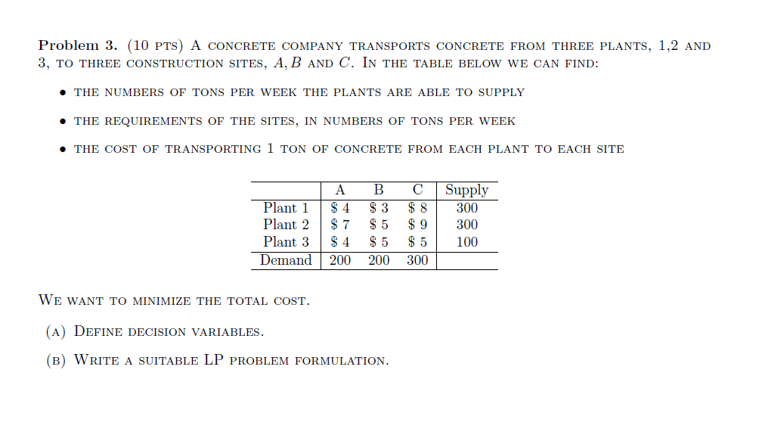
Plant 3 | 4 | 5 | 5 | 100
Demand | 200 | 200 | 300
 |  |  |  |  |  | Objective function
 |  |  |  |  |  | 4800
Decision variables | # tons from plants to sites
 | A | B | C
Plant 1 | 0 | 0 | 300 |  | Constraints
Plant 2 | 200 | 100 | 0 |  | 200 | >= | 200 | Demand
Plant 3 | 0 | 100 | 0 |  | 200 | >= | 200
 |  |  |  |  | 300 | >= | 300
 |  |  |  |  | 300 | <= | 300 | Supply
 |  |  |  |  | 300 | <= | 300
 |  |  |  |  | 100 | <= | 100

Problem 4
Activity | Description | Requires | Duration
A | Train workers |  | 6
B | Purchase materials |  | 9
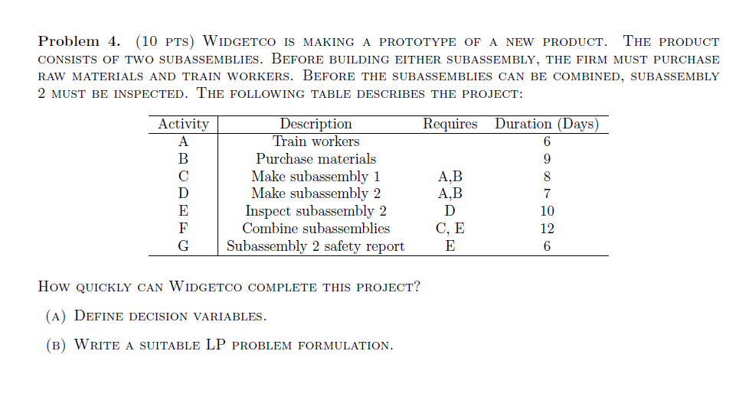
C | Make subassembly 1 | A,B | 8
D | Make subassembly 2 | A,B | 7
E | Inspect subassembly 2 | D | 10
F | Combine subassemblies | C,E | 12
G | Subassembly 2 safety report | E | 6

 | Decision variables\ |  |  |  | Objective function
 | Start | End |  |  | 38
A | 3 | 9
B | 0 | 9
C | 9 | 17 |  |  | Constraints
D | 9 | 16 |  |  | 6 | = | 6
E | 16 | 26 |  |  | 9 | = | 9
F | 26 | 38 |  |  | 8 | = | 8
G | 26 | 32 |  |  | 7 | = | 7
 |  |  |  |  | 10 | = | 10
 |  |  |  |  | 12 | = | 12
 |  |  |  |  | 6 | = | 6
 |  |  |  | C | 9 | >= | 9
 |  |  |  | C | 9 | >= | 9
 |  |  |  | D | 9 | >= | 9
 |  |  |  | D | 9 | >= | 9
 |  |  |  | E | 16 | >= | 16
 |  |  |  | F | 26 | >= | 17
 |  |  |  | F | 26 | >= | 26
 |  |  |  | G | 26 | >= | 26

Problem 5
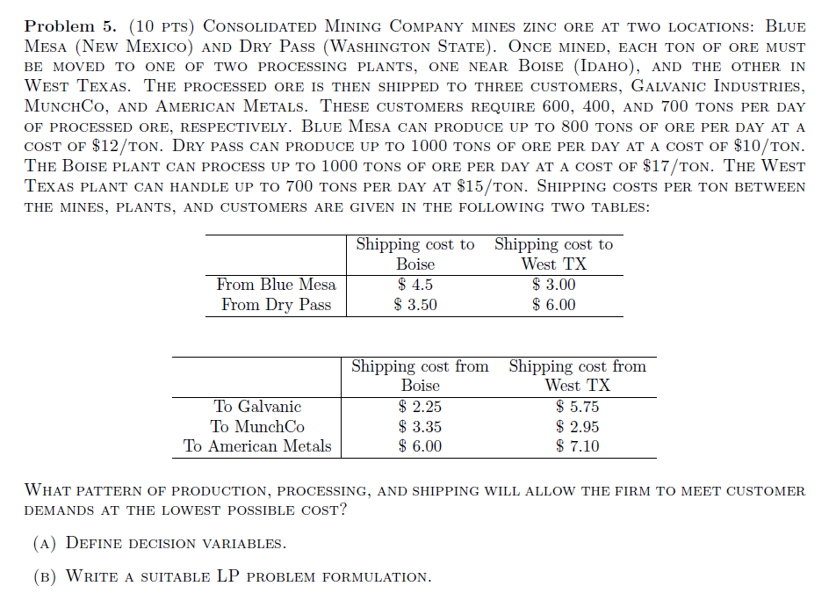
 | Shipping cost to Boise | Shipping cost to TX
From Blue mesa | $4.50 | $3
From dry pass | $3.50 | $6 |  |  |  | Objective function
 |  |  |  | Blue mesa | Production cost | 8400
 | Shipping cost from Boise | Shipping cost from TX |  | Dry pass |  | 10000
To galvanic | $2.25 | $5.75 |  | Boise | Process cost | 17000
To munchco | $3.35 | $2.95 |  | TX |  | 10500
To american | $6 | $7.10 |  | To Boise | Shipping cost | 3500
 |  |  |  | To TX |  | 2100
 |  |  |  | To galvanic | Shipping cost | 1350
Glavanic reqt | 600 |  |  | To munchco |  | 1180
Munchco reqt | 400 |  |  | To american |  | 4530
American reqt | 700 |  |  |  |  | 58560

Blue mesa produce | 800 | $12/ton |  |  | Constraints
Dry pass produce | 1000 | $10/ton |  | Blue mesa produce | 700 | <= | 800
 |  |  |  | Dry pass produce | 1000 | <= | 1000
Boise plant | 1000 | $17/ton |  | Boise prod | 1000 | <= | 1000
Texas plant | 700 | $15/ton |  | TX produce | 700 | <= | 700
 |  |  |  | Galvanic reqt | 600 | >= | 600
 |  |  |  | Munchco reqt | 400 | >= | 400
 |  |  |  | American reqt | 700 | >= | 700

 | Decision Variable
 | From Blue mesa to Boise | From Blue Mesa to TX | From Dry pass to Boise | From dry pass to TX
To galvanic | 0 | 0 | 600 | 0
To munchco | 0 | 400 | 0 | 0
To american | 0 | 300 | 400 | 0

Currency Arbitrage
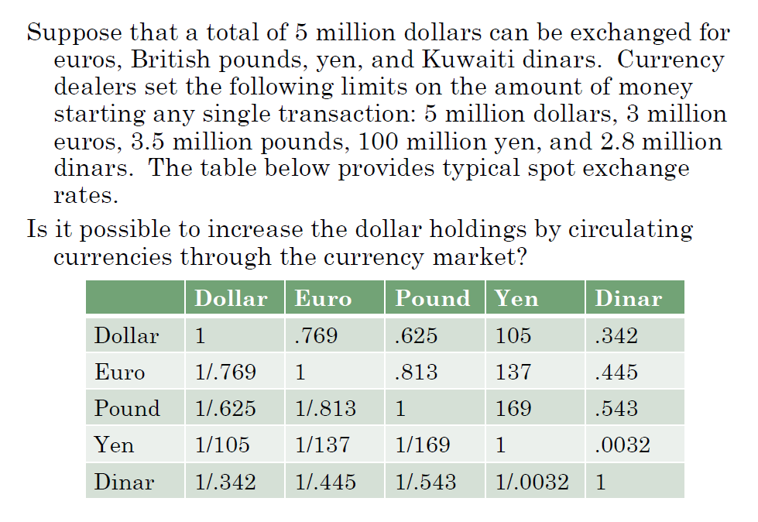
 | Dollar | Euro | Pound | Yen | Dinar | Max
Dollar | 1 | 0.769 | 0.625 | 105 | 0.342 | 5.00
Euro | 1.300390117 | 1 | 0.813 | 137 | 0.445 | 3.00
Pound | 1.6 | 1.2300123001 | 1 | 169 | 0.543 | 3.50
Yen | 0.0095238095238 | 0.007299270073 | 0.0059171597633 | 1 | 0.0032 | 100.00
Dinar | 2.9239766082 | 2.2471910112 | 1.8416206262 | 312.5 | 1 | 2.80

Total Dollar | $5

 | Dollar | Euro | Pound | Yen | Dinar | Obtained |  | Spend
Dollar | 0 | 0 | 0 | 1.6666666667 | 0 | 1.6666666667 | >= | 1.6666666667 |  | 1
Euro | 0 | 0 | 0 | 0 | 0 | 0 | >= | 0 |  | 0.769
Pound | 0 | 0 | 0 | 0 | 0 | 0 | >= | 0 |  | 0.625
Yen | 0 | 0 | 0 | 0 | 178.125 | 178.125 | >= | 175 |  | 105
Dinar | 0.57 | 0 | 0 | 0 | 0 | 0.57 | >= | 0.57 |  | 0.342
Spend | 1.6666666667 | 0 | 0 | 175 | 0.57

 |  |  |  |  |  | New |  | Old
 |  |  |  |  |  | 5.0297619048 |  | 5 | <= | $5

Lease Terms
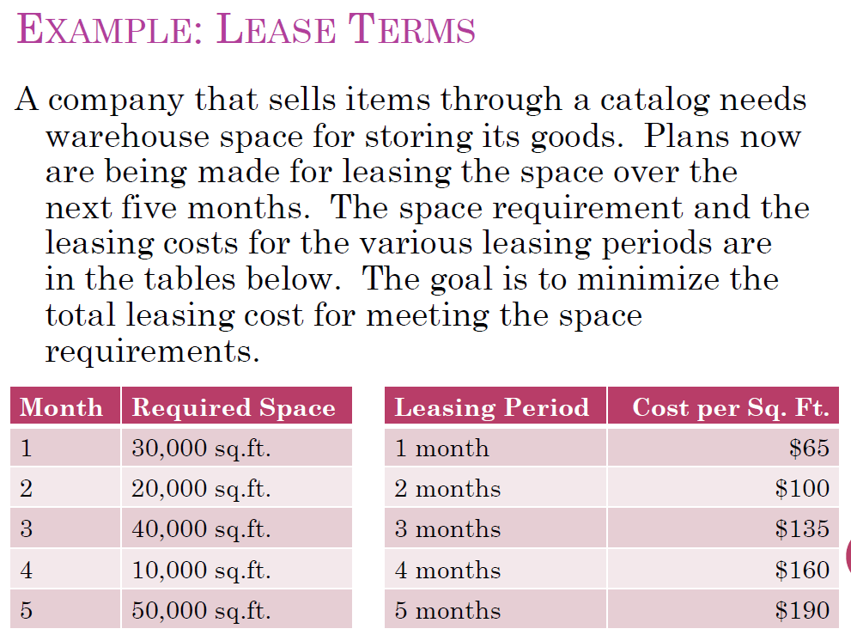
Month | Required Space |  | Leasing Period | Cost per Sq. Ft.
1 | 30,000 |  | 1 month | $65
2 | 20,000 |  | 2 months | $100
3 | 40,000 |  | 3 months | $135
4 | 10,000 |  | 4 months | $160
5 | 50,000 |  | 5 months | $190

# sq ft of leasing term

Decision variables | Month 1 | Month 2 | Month 3 | Month 4 | Month 5
Leasing 1 month | 0 | 0 | 10000 | 0 | 20000 | 30000
Leasing 2 months | 0 | 0 | 0 | 0 | 0 | 0
Leasing 3 months | 0 | 0 | 0 | 0 | 0 | 0
Leasing 4 months | 0 | 0 | 0 | 0 | 0 | 0
Leasing 5 months | 30000 | 0 | 0 | 0 | 0 | 30000
 |  |  |  |  |  | 60000
Constraints
Month |  |  |  |  | Objective function
1 | 30000 | >= | 30,000 |  | 7650000
2 | 30000 | >= | 20,000
3 | 40000 | >= | 40,000
4 | 30000 | >= | 10,000
5 | 50000 | >= | 50,000

Computer Production
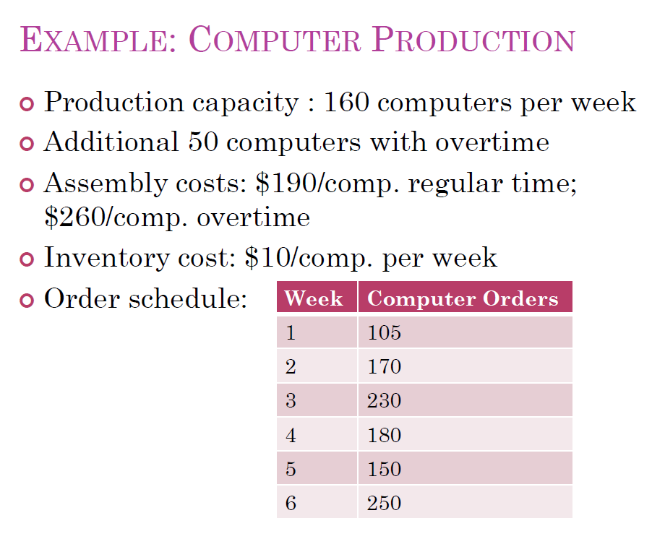
Week | Computer Orders
1 | 105
2 | 170
3 | 230
4 | 180
5 | 150
6 | 250

Regular capacity | 160 |  | Minimize
Overtime capacity | 50 |  | Objective function
Regular cost | $190 |  | $216,300
Overtime cost | $260
Inventory cost | $10

# of computer produced
Decision Variables |  |  |  | Total
Week | Regular | Overtime | Inventory
1 | 160 | 0 | 55
2 | 160 | 0 | 45
3 | 160 | 25 | 0
4 | 160 | 20 | 0
5 | 160 | 30 | 40
6 | 160 | 50 | 0

Week | Constraints
1 | 105 | = | 105
2 | 170 | = | 170
3 | 230 | = | 230
4 | 180 | = | 180
5 | 150 | = | 150
6 | 250 | = | 250
 | B18,B19,B20,B21,B22,B23 | <= | 160
 | C18,C19,C20,C21,C22,C23, | <= | 50

